Herring Details
Sir John Herring of Edmonstone - Lord of Gilmerton, Drum and Goodtrees | b 1240 |  |  |  |  |  |  | Clarissy Nye |  |  | b 1245 |  | The Drum In the Middle Ages the area was part of a royal hunting forest named Drumselch, which extended north to Holyroodhouse.
 | Gilmerton, Edinburghshire, Scotland, United Kingdom |  |  |  |  |  |  |  |  |  |  |  | The lands were held by the Herring family until the 14th century, when Sir Walter de Somerville of Linton and Carnwath (d.1380) married Geilles, daughter of Sir John Herring of Gilmerton. By this marriage Sir Walter acquired half of the Gilmerton estate, including the lands of Drum.
aka Sir John Herring of Edmonstone Herring |  |  |  |  | burial Abbey Of Holyrood Cemetery, Edinburgh, Scotland, United Kingdom |  |  |  |  |  |  |  | Sir Walter's grandson Thomas (d.1434) was created Lord Somerville by King James I, and The Drum remained in Sir Walter's family until 1800. Sir Walter de Somerville of Linton and Carnwath, one of Robert the Bruce's principal associates, died about 1330. By his wife, Giles, daughter and heiress of Sir John Herring, he got the lands of Gilmerton, Drum, and Goodtrees, Mid Lotliian, and had three sons. Sir James, killed at the battle of Durham in 1346. Sir Thomas, who fought in the same battle, and succeeded his brother. Richard, witness to a charter of the earl of Lennox in 1340.
https://sommervillehistory.blogspot.com/2016/07/the-drumhalf-of-families-house.html
https://en.wikipedia.org/wiki/Baron_of_Gilmerton
https://readingroo.ms/4/9/5/4/49548/49548-h/49548-h.htm
https://www.familysearch.org/en/tree/person/details/GFB1-W2P
 |  |  |  |  | Family Search ID | Burial |  |  |  |  |  |  |  |  |  |  | burial
 | Giles Herring | Female | b 1265 | d 1317 | LDLL-DWP | Holyrood Abbey |  |  | m 1300 |  | Sir Walter de Somerville of Linton and Carnwath |  |  |  | b 1260 | d 1330 | Holyrood Abbey
 | aka Jill |  | Lanarkshire, Scotland | Edinburgh, Scotland |  |  |  |  | Drum, Kinross, Scotland |  |  | https://www.familysearch.org/en/tree/person/details/GFDT-L6S |  |  | Carnwath, Lanarkshire, Scotland | Edinburgh

 |  | Sir Thomas Somerville Lord of Linton and Carnwath |  |  |  | M | b 1290 | d 1372 | G6TD-BG9

 |  | James de Somerville |  |  |  | M | b 1312 | d 1346 | KN1W-QPF

 |  | Richard de Somerville |  |  |  | M | b 1314 |  | GDHN-X83

 |  | Thomas of Linton Somerville |  |  |  | M | b 1317 | d 1364 | GRM8-NDH

 |  | Elizabeth Somerville |  |  |  | F | b 1318 | d 1367 | G6BR-5JX

 | Terricus Harang Herring | Male | b 1270 |  | 94RF-1K7

Tericus Herang Herring | b 1270 |  |  |  |  | m 1290 |  | Lucia |  |  | b 1273
 | Dorset England |  |  |  |  | Chaldon Herring, Dorset England
https://www.familysearch.org/en/tree/person/details/94RF-1K7

Phillip Heryng Herring | b 1293 | d 1365 |  |  |  |  |  | Emma de Sermonville |  |  | b 1305 | d 1380
 | Chaldon Herring, Dorset England | Langton Herring, Dorset England
https://www.familysearch.org/en/tree/person/details/94RF-1V5

Phillip Herring | b 1325 | d 1400 |  |  |  | m 1350 |  | Millicent Herring |  |  | b 1306 | d 1355
 | Langton Herring, Dorset, England | England
https://www.familysearch.org/en/tree/person/details/MXZB-ZBK

Sir Walter Herring | b 1350 |  |  |  |  |  |  | Alice de Winterbourne |  |  | b 1325 | d 1361

https://www.familysearch.org/en/tree/person/details/G7CJ-2C5

John Herring (British) | b 1372 | d 6-oct-1456 |  |  |  | m 1399 |  | Alice Perret |  |  | b 1385 | d 1449
https://www.familysearch.org/en/tree/person/details/GZZP-MLD | England | England |  | reside in village of Chaldon Herring

Sir Walter Herring | b 1400 | d 1435 |  |  |  |  |  | ????
https://www.familysearch.org/en/tree/person/details/L14N-V2Y

Sir Walter Thomas Herring | b 1435 | d 1469 |  |  |  |  |  | Alice de Winterbourne |  |  | b 1439 | d 1461
 | Warwickshire, England | Warwick, Warwickshire, England
https://www.familysearch.org/en/tree/person/details/L6GC-GXT

William Herring | b 1460 | d 1500 |  |  |  | m 1489 |  | Lady Alice Pickering |  |  | b 1475 | d 1500
 | Allesley, Warwickshire, England | Coventry, Warwickshire, England |  |  |  |  |  | https://www.english-heritage.org.uk/visit/places/pickering-castle/
https://www.familysearch.org/en/tree/person/details/LJK7-F5B

Sir Richard William Herringe | b 1490 | d 23-oct-1544 |  | burial 31-aug-1548 |  | m 1523 |  | Lady Margaret Carrington |  |  | b 1492 | d 1544 |  | Richard Herring or Heryng was born in about 1490, probably in Allesley, Warwickshire, where his father lived at that time.
 | Coventry, Warwickshire, England, United Kingdom |  |  | London St Lawrence Jewry with St Mary Magdalene Milk Street, Middlesex, England, United Kingdom |  | Coventry, Warwickshire |  |  |  |  |  |  |  | In the Visitation of Shropshire, 1623, his parents were William Herring and Alice Pickering, and he was married to Margaret Carington.[1]
https://www.familysearch.org/en/tree/person/details/GKFT-XJZ |  |  |  | 1517 - Coventry, Warwickshire - Mercer and Sheriff of Coventry |  |  |  |  |  |  |  |  |  | In the will [2] of Richard Herring of Coventry, mercer (made 29 April, probate 13 October 1544), he mentions his daughters Dorothy and Elizabeth, his wife Margaret, and sons Julynes, William and John. He mentioned several properties in Allesley.
 |  |  |  | possible 2nd wife |  |  |  | Elianor de Forneals de Pelham |  |  | b 1503 | d 1560 |  | In a case in the Court of Chancery, (TNA date estimate 1544-47)[3] Margaret Heryng of Coventry, and Dorothy her daughter were the defendants for breach of promise of marriage by the said Dorothy.
 |  |  |  |  |  |  |  |  |  |  |  |  |  | In 1584, in Common Pleas, his son Julinus or Julynes Heringe, was also a mercer, of Coventry, or of Allesley.[4]

John Herring (British) | b 1544 | d 21-nov-1628 |  |  |  | m 13-jan-1581 |  | Joanne Palmer |  |  | b 1556 | d 1628
 | Montgomeryshire, Wales | Coventry, Warwickshire, England |  |  |  | Montacute, Somerset, England

Juliens John Herring | b 16-Sep-1582 | d 28-mar-1644 |  |  |  | m 1603 |  | Christian Gillebrand |  |  | b 1582 | d 1650
Herringe | Llanbrynmair, Montgomeryshire, Wales | Amsterdam | burial Amsterdam |  |  | Shrewsbury, Derbyshire, England
https://www.familysearch.org/en/tree/person/details/L843-5V4
https://en.wikipedia.org/wiki/Julines_Herring

John Herring (British) | b 16-sep-1620 | d 10-Jun-1672 |  |  |  | m 1647 |  | Marjorie Barron Whitfield |  |  | b 1616 | d 1675 | John Herring was a tobacco farmer, and also made tar.
 | Wanborough, Wiltshire, England | Lower Parish, Isle of Wight, Va |  |  |  | Isle of Wight, Va
 | 1642 arrived in Virginia
 | 13-jul-1644 | Land Patent | Capt. John Upton and Margaret his wife conveyed unto John Mason land which was patented by said Upton adjoining William Wright, John Leveridge and John Herring.
 | John Herring is considered to be the “Adam” of the Herring Family in North America, because most Herrings on this continent, with British heritage, are his direct descendants.
 | John was born in England in about 1620 and immigrated to Isle of Wight, Virginia, British Colonies in about 1642. There he married Margerie Barron Whitfield (1616-1675) and had at least one son, Anthony Herring (1648-1715). Anthony and his wife Rebecca West (1648-????) had 8 sons.
 | The descendants of John and Margerie multiplied in Isle of Wight and spread to the Neuse River Valley in North Carolina centered near the intersection of the borders of Duplin, Wayne and Lenoir Counties, North Carolina, which is considered to be the “Herring Nest.” There the Herrings flourished and prospered even more, then continued to multiply and spread all across the Unites States.
https://www.familysearch.org/en/tree/person/details/L6LW-VSJ

Anthony Daniel Herring | b 1648 | d 1715 |  |  |  | m 1677 |  | Rebecca Marjorie West |  |  | b 1662 | d 1755
 | Isle of Wight, Va | Lower Parish, Isle of Wight, Va

Abraham Herring Sr | b 1686 | d 1744 |  |  |  | m 1718 |  | Mary Williams |  |  | b 1691 | d 1757 | Abraham probably left Isle of Wight County between 1718 - 1724. The Herrings bought 150 acres from Benjamin Joyner on Blackwater Swamp and in 1824, "brother" Anthony sold his parcel where Abraham Herring lived, to John Little. Abraham did not surface in Bertie County North Carolina until 12 years after that sale -- 1736 -- when "brother" John sold him 380 acres on Bear Swap for L100. Three years later Abraham sold this property
 | Lower Parish, Isle of Wight, Virginia, British Colonial America | Bertie, NC |  |  |  | Isle of Wight, Va
https://www.familysearch.org/en/tree/person/details/LCVN-D8B

Daniel Anthony Herring | b 1726 | d 11-Jul-1785 |  | burial 1787 |  | m 1-Mar-1750 |  | Sara L Whitfield |  |  | b 1730 | d 1770
 | Bertie, NC British Colonial America | Duplin, NC |  | Lowgap, Surry, NC |  | Johnston, NC
Revolutionary War | 6-Oct-1785
https://www.familysearch.org/en/tree/person/details/LVPZ-HK5

Stephen Herring | b 1751 | d 9-Apr-1828 |  | m 13-Jan-1775 |  |  |  | Nancy Rogers |  |  | b 1851 | d 1823
 | Duplin, NC | Duplin, NC |  | Duplin, NC
https://www.familysearch.org/en/tree/person/details/LKFZ-NFZ

John Herring | b 1778 | d 1860 |  |  |  |  |  | Nancy A Peacock |  |  | b 1787 | d 1960
 | NC | Barbour, AL

Eli L Herring | b 1826 | d 1892 | burial Pleasant Home Cemetary Butler, Al |  |  |  |  | Elizabeth (Eliza) Ann Kent |  |  | b 1834 | d 1925
 | New Hanover, NC | Butler, Al | m. June 1857
https://www.familysearch.org/en/tree/person/details/LJYD-C11

William James Herring | b. Oct 1857 | d 23-May-1927 |  | m. 21-Jan-1880 |  | Mattie Dawson |  | b 1859 | d 1936
https://www.familysearch.org/en/tree/person/details/2522-GX4

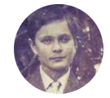
 | born | died
Robert Bob Herring Sr. | 14-aug-1898 | 28-Oct-69 | d. Tel Aviv, Israel | burial Sunrise Cemetery Greenville, Alabama |  |  | Lora Mae Boutwell |  | 1907 | 2004 |  | m 15-apr-1922 Defuniak Springs, Fl
 | https://www.familysearch.org/en/tree/person/details/25YQ-SXX

 | Jesse Paul Herring | 1924 | 1972
 | Marjorie | 1926 | 2017
 | Robert William | 1928 | 2015 |  | never married
 | Mabel Annie | 1930 | 1996 |  | married Myrick
 | Vernon Stabler | 1933 | 2014 |  | Dorothy Mae Adams |  | m 1955 | b 1938
 | Joseph Vastine | 1936 | 1968
 | Bobby Wall | 1939 | 2018
 | Martha Ann | 1944 | 2017 |  | Carl Farrow Thompson
 | Melba Jean |  |  |  | Perry Parker
 | Gladys Mildred | 28-Nov-46 | 2024 |  | Charles Larry Crews Sr.

Boutwell Direct Line
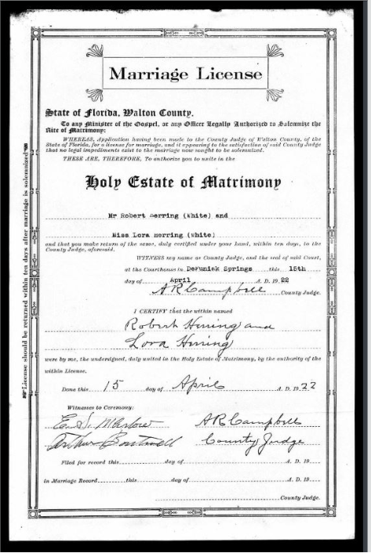
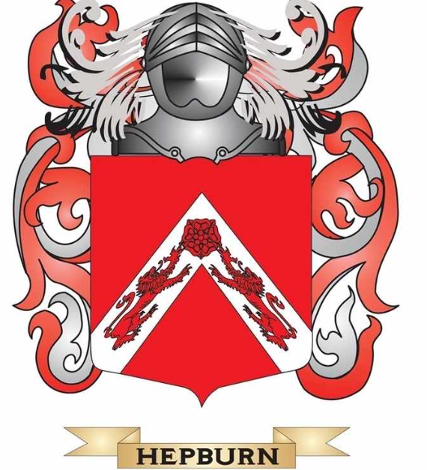
Sir Patrick Hepburn |  | b 1322 | d 22-jun-1402 |  | m 18 mar 1376 |  | Eleanor Douglas |  |  | b 1319 | d 1380
 |  | prestonkirk |  |  | Badenoch, Inverness-shire, Scotland
https://www.familysearch.org/en/tree/person/about/99QR-565

Patrick Hepburn |  | b 1350 | d 1402 |  | m 1380 |  | Beatrice de Vaux II |  |  | b 1345 | d dec 1412
 |  | Hailes Castle, haddingtonshire, scotland |  |  | haddingtonshire |  |  |  |  | Dirleton | Veux Allier France
https://www.familysearch.org/en/tree/person/about/L5YM-PRS

Sir Adam Hepburn |  | b 1-sep-1382 | d 1479 |  |  |  |  |  |  |  |  | When Sir Adam Hepburn was born on 1 September 1382, in Hailes Castle, Haddingtonshire, Scotland, his father, Patrick Hepburn, was 33 and his mother, Beatrice de Vaux II, was 37. He had at least 6 sons and 6 daughters with Janet de Borthwick. He died in 1479, in Prestonkirk, East Lothian, Scotland, United Kingdom, at the age of 97, and was buried in Cowdenbeath, Fife, Scotland, United Kingdom.
 |  | Hailes Castle, haddingtonshire, scotland | Prestonkirk, East Lothian, Scotland
https://www.familysearch.org/en/tree/person/about/LZ68-72D

William Hepburn |  | b 1414 | d 1453 |  | m 1-mar1453 |  | Elizabeth Touris |  |  | b 1417
 |  |  |  |  | Hailes, Edinburghshire, Scotland
https://www.familysearch.org/en/tree/person/about/GSRR-6RX

William Hepburn | this son of William Hepburn may be the same person as the below William Bothwell |  |  |  |  |  |  |  |  |  |  | When William Hepburn was born in 1414, in Hailes, Midlothian, Scotland, his father, Sir Adam Hepburn, was 32 and his mother, Janet de Borthwick, was 26. He married Elizabeth Touris on 1 March 1453, in Hailes, Midlothian, Scotland. They were the parents of at least 1 son. He died in March 1453, in Hailes Castle, Haddingtonshire, Scotland, United Kingdom, at the age of 39, and was buried in Prestonkirk, Haddingtonshire, Scotland, United Kingdom.
https://www.familysearch.org/en/tree/person/about/GSRR-6RX
William Bothwell |  | b 1455 | d 28-mar-1515 |  | m 1475 |  | Katherine Heggine |  |  | b 1449 | d 1520
son of Earl of Bothwell Adam Hepburn |  | Edinburgh, Midlothian, Scotland | edinburgh, midlothian, Scotland |  | Edinburgh
https://www.familysearch.org/en/tree/person/details/LZZ1-4HT |  |  |  | Dean of Guild of Edinburg

William Bothwell |  | b 1472 | d 1510 |  |  |  | Marion Somerville of Qouthquan |  |  | b 1475
 |  | Edinburgh, Midlothian, Scotland | Scotland
https://www.familysearch.org/en/tree/person/details/GSN1-4Y1

William Bothwell of Quhelpsyde, Chamberlain of Orkney |  | b 1506 | d june 1575 |  | m 1552 |  | Janet Cunninghame |  |  | b 1520 | d 1591
 |  | Glencorse, Midlothian, Scotland |  |  | Edinburg
https://www.familysearch.org/en/tree/person/details/KNHM-T66

Adam Bothwell of Pitscottie, Quhelpsyde and Glencorse |  | b 1556 | d 22-jul-1634 |  |  |  | Janet Hart |  |  | b 1560 | d 1617
 |  | Edinburgh, Midlothian, Scotland | Holyrood, Midlothian, Scotland |  |  | burial Holyrood Abbey |  | https://www.historicenvironment.scot/visit-a-place/places/holyrood-abbey/
https://www.familysearch.org/en/tree/person/details/KNHM-TFK |  |  | https://www.thepeerage.com/p72644.htm |  |  | occupation Bailie of Canongate
 |  |  |  |  |  | occupation Bishop of Orkney and Lord of Session

Adam Bothwell |  | b 3-Jul-1604 | d 1638 |  |  |  | Catherine Sandilands |  |  | b1599 | d 1650
 |  | Edinburgh, Midlothian, Scotland
 |  | christening Canongate, Midlothian, Scotland

William Bothwell |  | b 15-apr-1630 | d 16-may-1717 |  | m 1659 |  | Harriet Elizabeth Hindman |  |  | b1643 | d 1714
 |  | Midlothian, Scotland | Elizabeth City, Va |  | virginia
https://www.familysearch.org/en/tree/person/details/GYZZ-49B |  | chrisenting 15-apr-1630 Canongate, Midlothian, Scotland

Adam Boutwell |  | b 1660 | d 14-nov-1754 |  |  |  | Catherine Winborn |  | b 1662
 |  | Edinburgh, Midlothian, Scotland | Elizabeth City, Va

Samuel Boutwell, Sr |  | b 1682 | b 1777 |  | m 1702 |  | Anna Margareita Spruill |  | b 1685 | d 1739
 |  | Carolina | Georgetown, SC |  | Chowan, SC
https://www.familysearch.org/en/tree/person/details/LD2P-81T

Burtenhead Boutwell |  | b 1710 | d 22-aug-1766 |  | m 8-jan-1733 |  | Elizabeth Commander
 |  | virginia |  |  | south carolina |  |  |  |  |  |  | BURTENHEAD BOUTWELLWill |  | CONFLICT: There were two Burtonhead Boutwells. The first was born around 1700, a child of Samuel Boutwell. His first child Samuel was born about 1720. The second Burtonhead was his grandson and was born about 1756. I have seen this error in more than one place. There may be 3, LDS shows Father: Samuel BOUTWELL b: 19 MAR 1703 in Reading, Middlesex, MA. Mother: Anna Margareita PRUILL b: ABT 1715 (not Spruill).
https://www.familysearch.org/en/tree/person/details/LKQK-3P8 |  |  |  |  | residence: 1735 Prince Frederick Parish, Black Mingo Creek, Craven Co. SC |  |  |  |  |  |  | February 26, 1761 |  | Marriage 1 Elizabeth COMMANDER b: ABT 1739 in Craven, SC
Plantation Owner - held slaves |  |  |  |  | A 1736 grant for 600 acres on the Black River identifies Burtenhead Boutwell as a son-in-law of Samuel Commander [Sr.].[24] Thus Elizabeth Commander, a daughter of Samuel Commander, Sr., was married to Burtonhead Boutwell. |  |  |  |  |  |  |  |  | Married: ABT 1751 in Onslow, New River, NC 3
 |  |  |  |  |  |  |  |  |  |  |  | South Carolina fs
Lionel Delaney Boutwell |  | b 8-jan-1733 | b 9-sep-1807 |  | m 1751 |  | Mary Elizabeth Brack |  | b 1730 | d 1766 |  | IN THE NAME OF GOD, AMEN, I Burtenhead BOUTWELL, of the Parish of Prince Frederick Craven County in the Province of South Carolina, Planter, being (Blessed by God) of Sound and disposing Mind and Memory, Considering the uncertainty of this Transitory life, and the Certainty of death, Do make and Ordain these presents to be and Contain my last Will and Testament, that is to say, PRINCIPALLY, being truly sorry for all my Sins, and humbly imploring the pardon and forgiveness of them, I commend my Immortal Spirit, into the hands of God, my Creator, who gave it, in and thro, the Merits and Mediation of Jesus Christ, my Blessed Saviour and Redeemer, on whom I rely, for the Pardon and Remission of all my Sins and Offences, and for Eternal Life and Salvation, and my Body, at death, I Commit to the Earth to be interred in a decent and Christian manner, at the discretion of my Executors herein after Named, and as to all my Worldly-Estate, Lands and Tenements, Goods and Chattels, wherewith it hath pleased God to Bless me I will and desire that the same, and every part and parcel thereof, shall go and be disposed of, in such way and manner as is hereinafter respectively mentioned and directed, and no Other wise Viz, |  | p. 41 ID 128: Spouse: Patience ?; Children: Samuel; Date in Pee Dee: 1735 Last Date; 1766; Location: Black Mingo Creek; sources: Cook, Moore V.3. Notes: Second Wife was probably Elizabeth Commander.
 |  | Onslow, NC | Barnwell, SC |  |  |  |  |  |  |  |  | IMPRIMIS I will, Order and Appoint that all my Just debts and funeral Expenses shall be duly paid and discharged, as soon as Conveniently may be done after my decease, and for the better effecting of the same, as well as for the raising of such Pecuniary Legacy and Legacies, as is or shall be hereinafter given or bequeathed, and in the mean time for defraying the Charges of Cloathing, dieting and Maintaining my beloved Wife Patience Boutwell, and all my unmarried children, under the age of Twenty One Years, and for the Educating of such of my Children, in the manner that my Executors herein after named shall see fit and proper, I do hereby Will, direct, Authorise and impower them my said Executers and the Survivors and Survivor of them, and the Executers and administrators of such Survivor, to keep my Estate together, and to Occupy all or any part or parcel of the same, to and for the uses and purposes herein above mentioned and directed, in Order of Law and as my said Executers or Executor shall Judge to be agreeable to the true intent and meaning of this my said Last Will and Testament, and I give and bequeath unto her my said Wife, in lieu and ??rr of all such dower as she hath or may lawfully Claim, in or out of my Estate, and in full Recompence of and for the same and not Otherwise, to be paid unto her my said Wife Patience, her Executors, Administrators and Assigns, immediately after my said debts and funeral Expenses, Charges and Expenses of my said Wife and unmarried Children, being in their Non-Ages, and the Charges of Cloathing, Taxes, and Other Expenses of my Lands, plantations, Slaves, and Estate, Yearly and every year shall be paid, or raised, and also the Pecuniary Legacies or Legacy herein or hereby given or bequeathed, shall be raised, and ready to be paid, According to the true intent and meaning of this my said Last Will and Testament, my Negroe Slave Girl Maria, and her Issue and Offspring that shall be hereafter Born, One horse (to be by her Chos
https://www.familysearch.org/en/tree/person/details/GWL8-HFY |  |  |  |  |  |  |  |  |  |  |  | ITEM, After all my said debts, Funeral Charges, Yearly Expenses of my said Wife Patience, and of my said unmarried Children, in their non ages, and of my said plantions [sic], Slaves and Other Estate, and also my Pecuniary Legacy and Legacies, shall be all paid and defrayed, or Otherwise Secured to be paid or defrayed, then I give and bequeath unto all my Children and Issue, equally to be shared and divided between, and also Allotted, paid and delivered unto them and each of them, by my said Executors herein after Named, or the Survivors or Survivor of them his Executors or administrators, the use and service of all the Surplusage of my Negroes or Slaves and Horses, Cattle, and other Stock, Goods, Chattels, Rights Credits and personal Estate whatsoever and wheresoever, for and during the respective Term and Terms of the Natural Life and lives of each and every of my said Children and Issue and no Longer, and at the decease of each of them my said Children and Issue, I give and bequeath the respective part or portion of my said Children and Issue, and each of them to be Equally divided allotted, paid and delivered, as aforesaid, between and to the Children Lawfully begotten, of each of my said Children and Issue respectively, to hold to them, and each of them, Severally for ever, but if any of my said Children or Issue shall happen, to depart this Life, without leaving Issue or Child of her her or their Body or Bodies lawfully begotten and Surviving, then, and not Otherwise I give and bequeath the respective part or portion (of my said Personal Estate) of Such of my said Children or Issue, as shall happen to die without Leaving Lawful Issue, as afore-said unto the Survivors and Survivor of them my said Children and Issue, on the Same Terms and Conditions, and in such manner and form, to all Intents constructions and purposes, as is herein before declared and provided of and Concerning Other my said Children and Issue,
 |  |  |  |  |  |  |  |  |  |  |  | ITEM AFTER ALL my said debts, Funeral Charges, Yearly Expenses of my said Wife Patience, and of my said unmarried Children, in their non-ages, and of my said plantations, Slaves and Other Estate, and also my said Pecuniary Legacy and Legacies, shall be paid, and defrayed, or Otherwise secured to be paid or defrayed, then I give and devise unto my loving Son Samuel Boutwell, his Heirs and Assigns, for ever, all that my plantation Containing Three hundred acres of Land or or [sic] thereabouts, Situate within the Welch Tract, upon little muddy Creek Peedee, River in the said County and Province, all that my plantation Containing about Six hundred acres of Land, situate on Black River in the said County and Province, which last mentioned plantation was heretofore Granted unto me and my late wife Elizabeth (Since dec'd) and our Heirs and Assigns for ever, in Joint Tenancy, and by her decease is now become by right of Survivorship, Solely Vested in me, and my heirs and Assigns in Fee-Simple, absolute, and also all that my plantation containing about Three hundred and Eighty acres of Land situate on Santee River in the said County and Province, and now Settled, together with all and Singular and the ???????????? and appurtenances, thereunto and to each of the said Three plantations, belonging or in any wise Appertaining. PROVIDED Nevertheless, that Case the division, hereinbefore Appointed to be made, of the said Surplusage (or Residue of my said Negroes or Slaves, Horses, Cattle and other Stock, Goods, Chattels Rights Credits and Personal-Estate, shall take place, whilst any of my unmarried Children or Issue shall be under his, her or their age or ages of one and Twenty years, then, and until such Minor Children or Issue shall severally attain his, her or their respective ages of Twenty One Years, or be Married (which shall first happen,) and no longer, it shall and may be lawful to and for my said Executors hereinafter named, or the Survivors and Survivor of them, his Ex |  | Boutwell, Burtonhead (~1737 - 1766) b. ABT 1737 in South Carolina d. AUG 1766 in Craven, South Carolina
William Delaney Boutwell |  | b 1760 | d 10-aug-1843 |  | m 1790 |  | Jane Dowling |  | b 1765 | d 1857 |  | ITEM, I do hereby nominate Constitute and Appoint my loving Friends, James Commander John Walker and Henry Peronneau Executors of this my said last Will and Testament, by me heretofore made or declared either by Word or Writing, and do only allow of, and Confirm this to be my last Will and Testament, IN WITNESS whereof I the said Burtenhead Boutwell, to this my said last Will and Testament, have set my hand and Seal, the Twenty Sixth day of February, in the first year of thousand, seven hundred, Sixty one. |  | father: Boutwell, Samuel(~1711 - ) mother: Spruill, Anna Margareita(~1715 - )
 |  | darlington, SC | pike, AL |  |  |  |  |  |  |  |  | Burtenhead Boutwell (Seal) |  | spouse: Commander, Elizabeth (~1739 - )
https://www.familysearch.org/en/tree/person/details/L4WC-G56 |  |  |  |  |  |  |  |  |  |  |  | Sealed published and declared by Mr. Burtenhead Boutwell, as and for his last Will and Testament in the presence of us who who [sic] in the Testators presence, and at his Request have severally set to our respective Names as Witnesses, to the Same. William Lloyd, Arthur Peronneau, Thomas Stanyarne. |  | ----------child: Boutwell, Nancy (1763 - 1849)
 |  |  |  |  |  |  |  |  |  |  |  | February 26, 1761- Proved by his Exc.y the Gov.r 22d August 1766. At the Same time Qualified James Commander Executor to the within Will --Proved by his Exc.y the Gov.r 22d August 1766. At the Same time Qualified James Commander Executor to the within Will In the Court of Ordinary 24th October 1766. Qualified John Walker Executor------ |  | Son of: Boutwell, Samuel (~1711 - ) b. ABT 1711
Deloney Burton 'Lona' Boutwell Sr |  | b 1795 | d 26-nov-1859 |  | m 1817 |  | Rachel 'Mary' Floewing |  | b1800 | d 1860 |  | Recorded in Will Book 1760-1767
 |  | jeffries creek, darlington county, SC | lowndes, AL |  | darlington county, sc |  |  |  |  |  |  | Recorded on Page 592
https://www.familysearch.org/en/tree/person/details/LK9P-SNS |  |  |  |  |  |  |  |  |  |  |  | No. 1 Of my Lands or plantations (without Impeachment of Waste) and to exercise, work, employ, use and Occupy all or any of my Slaves Stock of horses Cattle or Other Goods and Chattels, and to dispose of the produce and fruits of their and every of their [sic] Labour, Service and profits, and to receive, Collect pay and Apply the same and every part and parcel. |  | Children:
 |  |  |  |  |  |  |  |  |  |  |  |  |  | Nancy BOUTWELL b: 1763 in VA
 |  |  |  |  |  |  |  |  |  |  |  |  |  | Mary Polly BOUTWELL b: 1760 in VA
Henry Burton Boutwell |  | b aug 1834 | d 5-jul-1911 |  | m 6 dec 1855 |  | Ellen R Luke |  | b 1839 | d 1922 |  |  |  | Stephen BOUTWELL b: 1767 in VA
Served in Company M, 6th Alabama Inf., Confederate |  |  | 1864 |  | Snow Hill, Wilcox, AL |  |  |  |  |  |  |  |  | Delaney BOUTWELL b: 1769 in NC
https://www.familysearch.org/en/tree/person/details/L4SK-HYH |  |  |  |  |  |  |  |  |  |  |  |  |  | William BOUTWELL b: 1771 in NC
 |  |  |  |  |  |  |  |  |  |  |  |  |  | John BOUTWELL b: 1773 in NC
Herbert F Boutwell |  | b 9-jul-1866 | d 6-oct-1943 |  |  |  |  |  |  |  |  |  |  | Burtonhead BOUTWELL b: 1775 in Onslow,New River,NC
Bert or Burt |  | Steep Creek Lowndes, AL | Fairhope, Baldwin, AL
https://www.familysearch.org/en/tree/person/details/LWYG-3X1 |  |  |  | buried forest home cemetary

Arrie Bell Rhodes |  | b 5-Feb-1866 | 10-Mar-51 |  | m 29-jul-1885 |  | Herbert F Boutwell
 |  | monroeville, al | forest home, al | buried forest home cemetary
https://www.familysearch.org/en/tree/person/details/LC7L-W6P |  |  |  |  |  |  | according to my grandmother, adopted by Rhodes. Was a Rogers

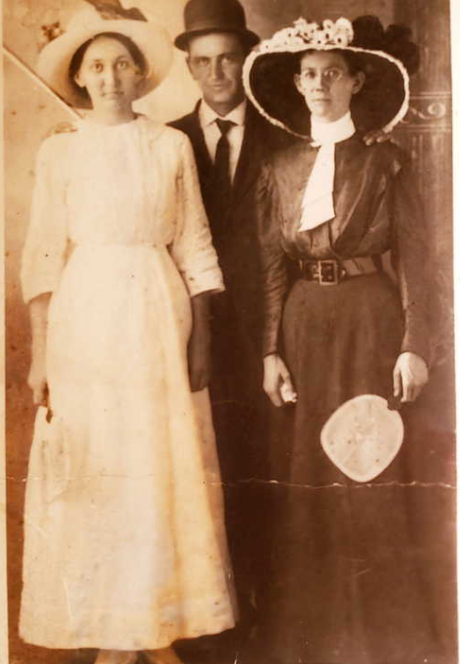
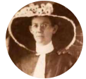
Rosa Bell Boutwell |  | b 8-Nov-1888 | b 15-Mar-1970 | 1st |  |  | Jesse Paul Herring (had Lora Mae) |  |  | b 1882 | d 1908 |  | When Rosa Bell Boutwell was born on 8 November 1888, in Garland, Butler, Alabama, United States, her father, Herbert F Boutwell, was 22 and her mother, Arrie Bell Rhodes, was 22
 |  | Garland, AL |  |  |  |  | allegedly died falling of train tracks working on L and N |  |  |  |  |  | She married George Washington Herring on 6 April 1913, in Greenville, Butler, Alabama, United States.
 |  |  |  |  |  |  |  |  |  |  |  |  | They were the parents of at least 2 sons and 6 daughters. She lived in Election Precinct 16 Rocky Creek, Butler, Alabama, United States for about 20 years.
 |  |  |  | 2nd | m 6-apr-1913 |  | George Washington Herring |  |  | b 1886 | d 1950 |  | She died on 15 March 1970, in Greenville, Butler, Alabama, United States, at the age of 81, and was buried in Greenville, Butler, Alabama, United States.
 |  |  |  |  | Greenville, Butler, AL
 | https://ancestors.familysearch.org/en/L2XZ-6JF/rosa-bell-boutwell-1888-1970 |  |  |  |  |  |  |  |  |  |  |  | When Jesse Paul Herring was born on 13 May 1882, in Butler, Alabama, United States, his father, John David Herring, was 22 and his mother, Mary Julia Cole, was 19. He had at least 1 daughter with Rosa Bell Boutwell. He died on 10 June 1908, in Mobile, Alabama, United States, at the age of 26, and was buried in Liberty United Methodist Cemetery, Greenville, Butler, Alabama, United States.
 |  |  |  |  |  |  |  |  |  |  |  |  | https://ancestors.familysearch.org/en/L1BC-KMT/jesse-paul-herring-1882-1908

Lora Mae Boutwell |  | b 27-oct-1907 | d 29-oct-2004 |  | m 15-Apr-1922 |  | Robert Bob Herring |  | b 1899 | d 1969 |  |  | When Lora Mae Boutwell was born on 27 October 1907, in Georgiana, Butler, Alabama, United States, her father, Herbert F Boutwell, was 41 and her mother, Arrie Bell Rhodes, was 41.
 |  | Georgiana, Al | Greenville, Al |  | Defuniak Springs, FL |  |  |  |  | Tel Aviv, Israel |  |  | She married Robert Herring Sr on 15 April 1922, in De Funiak Springs, Walton, Florida, United States. They were the parents of at least 6 sons and 5 daughters. She lived in Election Precinct 16 Rocky Creek, Butler, Alabama, United States for about 10 years and Butler, Alabama, United States in 1940. She died on 29 October 2004, in Greenville, Butler, Alabama, United States, at the age of 97, and was buried in Sunrise Memorial Park, Greenville, Butler, Alabama, United States.
https://ancestors.familysearch.org/en/G9VW-3NG/lora-mae-boutwell-1907-2004 |  |  |  |  |  |  |  |  |  |  |  |  | She lived in Election Precinct 16 Rocky Creek, Butler, Alabama, United States for about 10 years and Butler, Alabama, United States in 1940. She died on 29 October 2004, in Greenville, Butler, Alabama, United States, at the age of 97, and was buried in Sunrise Memorial Park, Greenville, Butler, Alabama, United States.
 |  | lived in 16th = Precinct 16 Rocky Creek, Butler, AL |  |  |  | She told us stories of going to the creek and handwashing clothes |  |  |  |  |  |  | She died on 29 October 2004, in Greenville, Butler, Alabama, United States, at the age of 97, and was buried in Sunrise Memorial Park, Greenville, Butler, Alabama, United States.

Lora Mae Herring Children
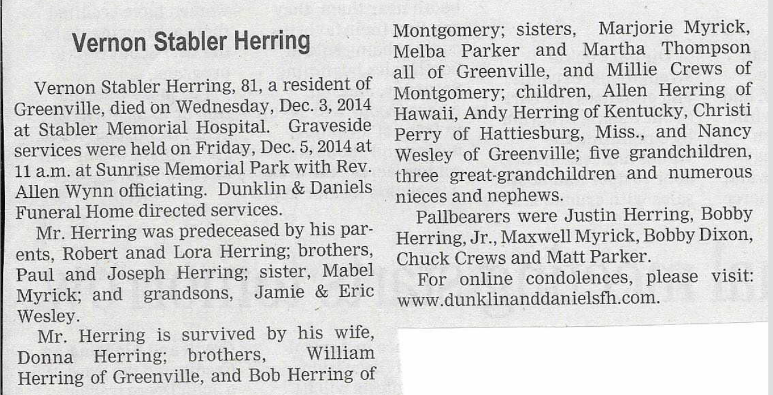
When Vernon Stabler Herring was born on 6 January 1933, in Greenville, Butler, Alabama, United States, his father, Robert B. Herring, was 34 and his mother, Lora Boutwell, was 25. He married Dorothy Mae Adams on 9 September 1955, in Election Precinct 29 Alabama City, Etowah, Alabama, United States. He lived in Election Precinct 11 Forest Home and Butler Springs, Butler, Alabama, United States in 1940. He died on 3 December 2014, in Greenville, Butler, Alabama, United States, at the age of 81, and was buried in Sunrise Cemetery, Greenville, Butler, Alabama, United States.
https://ancestors.familysearch.org/en/G9V7-BTS/vernon-stabler-herring-1933-2014

Sheet1
Herring | Scotland |  | 1199 to 1259

Sir John Herring of Edmonston, Lord of of Gilmerton, Drum, and Goodtrees |  |  |  | 1240 |  | Gilmerton, Edinburghshire, Scotland, United Kingdom |  |  |  | http://sommervillehistory.blogspot.com/2016/07/the-drumhalf-of-families-house.html
 |  |  |  |  |  | Abbey Of Holyrood Cemetery, Edinburgh, Scotland, United Kingdom
When Giles "Jill" Herring was born in 1265, in Lanarkshire, Scotland, United Kingdom, her father, Sir John Herring of Edmonston, Lord of of Gilmerton, Drum, and Goodtrees, was 25 and her mother, Clarissy Nye, was 20. She married Sir Walter Somerville of Linton and Carnwath. They were the parents of at least 3 sons. She died after 1317, in Edinburgh, Midlothian, Scotland, at the age of 53, and was buried in Edinburgh, Midlothian, Scotland.
 |  |  |  |  |  |  |  |  |  | https://en.wikipedia.org/wiki/The_Drum,_Edinburgh
 |  |  |  |  |  |  |  |  |  | It is a curious coincidence that Gilmerton, mentioned as the property of Sir John
 |  |  |  |  |  |  |  |  |  | Herring of Edmonstone, in Clydesdale, is very near Edmonstone in Midlothian.
 |  |  |  |  |  |  |  |  |  | Gilmerton Grange was the scene of a dreadful act of savage vengeance, as related in the
 |  |  |  |  |  |  |  |  |  | ' Memorie of the Somervilles.' 1 Sir John Herring having discovered an intrigue carried
 |  |  |  |  |  |  |  |  |  | on in that house between his daughter and a monk of Newbattle, set fire to it, and
 |  |  |  |  |  |  |  |  |  | destroyed six or seven other persons together with the culprits. It is stated in a note
 |  |  |  |  |  |  |  |  |  | that the tradition is preserved in the neighbourhood, and that Gilmerton Grange is still
 |  |  |  |  |  |  |  |  |  | called the ' Burnt-dole.'
 | Poss. U.S. President [B, HARRISON]'s 13-Great Grandfather. Poss. HRH Charles's 19-Great Grandfather. Poss. PM Churchill's 17-Great Grandfather. Poss. Lady Diana's 18-Great Grandfather. Poss. PM Cameron's 18-Great Grandfather. Poss. Gen. Pierpont Hamilton's 16-Great Grandfather. Poss. `Osawatomie' Brown's 18-Great Grandfather. Poss. Jamie's 18-Great Grandfather.

Terricus Harang Herring | 1270 | Dorset, England |  |  | Dorst, England |  |  | https://www.familysearch.org/tree/person/details/94RF-1K7
 |  |  |  |  |  |  |  | http://www.weymouth-dorset.co.uk/herring.html
https://books.google.com/books?id=FhsNAAAAYAAJ&pg=PA44&lpg=PA44&dq=Sir+John+Herring+of+Gilmerton&source=bl&ots=Hb6u2JSrmj&sig=ACfU3U0x7ONSYsRfheFbfzh7WGu5Hnp76g&hl=en&sa=X&ved=2ahUKEwiN1aPF_q35AhW6STABHcUOC3EQ6AF6BAgUEAM#v=onepage&q=Sir%20John%20Herring%20of%20Gilmerton&f=false
 | The Abbey of S. Mary Newbottle: A Memorial of the Royal Visit, 1907

 | https://electricscotland.com/history/wars/18RevengeOfHerries1371.pdf

Philip Heryng Herring | 1293 | Chaldon Herring, Dorset, , England |  |  | 1365 | Langton Herring, Dorset, , England |  | https://www.familysearch.org/tree/person/details/94RF-1V5

When Phillip Herring was born in 1325, in Langton Herring, Dorset, England, United Kingdom, his father, Philip Heryng Herring, was 32 and his mother, Emma de Sermonville, was 20. He had at least 2 sons with Millicent. He died in 1400, in Winterbourne Herringstone, Dorset, England, at the age of 75. |  |  |  |  |  |  |  | https://ancestors.familysearch.org/en/MXZB-ZBK/phillip-herring-1325-1400

Walter Herring |  |  |  |  |  |  |  | https://ancestors.familysearch.org/en/G7CJ-2C5/walter-herring-1325-1372
When Walter Herring was born in 1325, in England, his father, Phillip Herring, was 0 and his mother, Millicent, was -5. He married Alice de Winterbourne. They were the parents of at least 3 sons. He died in 1372, in Dorset, England, at the age of 47.

Sir John Herring |  |  |  |  |  |  |  | https://www.genealogieonline.nl/en/hall-pietroski-family-tree/P2117.php
He was born in the year 1372 in Cleston, Dorset, England. |  |  |  |  |  |  |  | https://ancestors.familysearch.org/en/G72T-13Q/john-herring-1372-1455
He died on 6-OCT-1455 in Winterborn Clenston, Dorsetshire, England.
He is married to Alice Perret. |  | at Winterbourne, Dorset, England.
in the year 1373 at Winterbourne Clenston, Dorset, England, he was 1 years old.
in the year 1399 at Winterborn Clenston, Dorsetshire, England, he was 27 years old.
in the year 1408, he was 36 years old.
in the year 1425 at Dorset, England, he was 53 years old.

Sir Walter Herring I |  |  |  |  | Martha Herring | Sir John Winterbourne (Waterbourne) |  |  | https://www.genealogieonline.nl/en/hall-pietroski-family-tree/P1832.php
Grandfather of William, already deceased at birth William |  |  |  |  | ????- | 1340-????
He was born in the year 1400 in Winterbourne, Dorset, England.
He died in the year 1435 in Winterbourne, Dorset, England, he was 35 years old.

Sir Walter II Heryng de Herring of Fornought |  |  |  |  |  | Lady Alice Winterbourne (Waterbourne)
1435-1469

HERRING, William |  |  |  | http://freepages.rootsweb.com/~berrylineage/genealogy/5563.htm
Children: |  |  |  | HERRING, Richard+
Born: Abt 1460, Allesley, Co. Warwick, England
Married: Abt 1489 |  |  | William married Alice PICKERING about 1489.

Richard Herring |  |  |  | https://www.wikitree.com/wiki/Herring-165 |  |  |  | Richard HERRING1 |  |  | Richard Herringe was born in 1490, at birth place , to William Herringe and Alice Herringe (born Pickering) .
Born about 1490 [location unknown] |  |  |  |  |  |  |  | about 1490 - 13th Oct 1544 |  |  | William was born in 1460, in Allesley, Warwickshire Co, England.
Son of [father unknown] and [mother unknown] |  |  |  |  |  |  |  | Parents |  |  | Alice was born in 1475, in Coventry, Warwickshire, England.
[sibling(s) unknown] |  |  |  |  |  |  |  | Son of William HERRING & Alice PICKERING. |  |  | Richard had 2 siblings: Thomas Herring and one other sibling .
Husband of Elianor (Forneals) Herring — married [date unknown] [location unknown] |  |  |  |  |  |  |  | Life History |  |  | Richard married Elenor Herringe (born Formeals) .
DESCENDANTS descendants |  |  |  |  |  |  |  | about 1490 | Born in Coventry, , Warwickshire, England.1 |  | Elenor was born in 1530, in England.
Father of William Herring and John Herring |  |  |  |  |  |  |  | 13th Oct 1544 | Died in Coventry, , Warwickshire, England.1 |  | They had 4 children: John Herringe and 3 other children .
Died [date unknown] [location unknown] |  |  |  |  |  |  |  | 1552 | Birth of son John HERRINGE in Flambere Mayre,,Montgomeryshire,Wales |  | Richard then married Margaret Herringe (born Carrington) circa 1524, at age 34 at marriage place .
 |  |  |  |  |  |  |  |  |  |  | Margaret was born in 1492, in UK, England, Warwickshire, Coventry.
 |  |  |  |  |  |  |  |  |  |  | They had 5 children: William Herring , Dorothy Gyngell (born Herring) and 3 other children .
 |  |  |  |  |  |  |  |  |  |  | His occupations were occupation , occupation and occupation .
 |  |  |  |  |  |  |  |  |  |  | Richard passed away on month day 1544, at age 54 at death place .
 |  |  |  |  |  |  |  |  |  |  | He was buried at burial place .
 |  |  |  |  |  |  |  |  |  |  | https://www.myheritage.com/names/richard_herringe

John Herring |  |  |  | https://www.wikitree.com/wiki/Herring-1029
Born about 1552 in Montgomeryshire, Walesmap
Son of Richard Herring and Elianor (Forneals) Herring
Brother of William Herring
Husband of Joanne (Palmer) Herring — married 1581 in Montgomery Shire, Walesmap
DESCENDANTS descendants
Father of Julienes Herring
Died about 1626 at about age 74 in Coventry, Warwickshire, Englandmap

Rev. Julienes Herring
Born about 1582 in Flambere Myre, Montgomeryshire, Walesmap
ANCESTORS ancestors
Son of John Herring and Joanne (Palmer) Herring
[sibling(s) unknown]
Husband of Christian (Gillebrand) Herring — married 1603 in Shrewsbury, Derbyshire, Englandmap
DESCENDANTS descendants
Father of John Herring
Died 28 Mar 1644 at about age 62 in Noord-Brabant, Nederlandmap [uncertain]

 | Birth | Birth Yr |  |  |  |  |  | Possible further info
John Herring | Bristol, England | 1607 |  | https://www.wikitree.com/wiki/Herring-506 |  |  |  | He came to America from Bristol, England. The Herring book says this was in about 1642, the Robinson's book says it was 5/2/1635 on the ship Alexander. In any event, he then settled near the Blackwater River in the vicinity of Horse Swamp, northwest of present day Windsor, Isle of Wight County.
 |  |  |  |  |  |  |  | tobacco farmer and made tar
 | https://www.seekingmyroots.com/members/files/G002940.pdf |  |  |  |  |  |  | The Herring book makes the point that the records reflect several John Herring's coming to VA from England in the 1630-1650 period. So, while the modern line of Herrings can be traced back to John who lived in Isle of Wight County, you can't say with certainty which John that was in terms of when he came exactly and when he was born.
 |  |  |  |  |  |  |  | He died abt 1672 in Isle of Wright, Virginia. From his will, which was proved in court on 10 June 1672, he named a child, John WHITFIELD. Possibly this John was a nephew and an indication that Marjorie possibly was a WHITFIELD. From John's will and other land records, we believe that John & Marjorie had a son named Anthony. It is possible, however, that Anthony was a son of an earlier marriage of John HERRING; however, that is speculation. No record has been found of an earlier marriage.[3]
 |  |  |  |  |  |  |  | Issue of John HERRING, b abt 1620, d abt 1672 & Marjorie (WHITFIELD, speculative) born Isle of Wright, VA :
 |  |  |  |  |  |  |  | 1. Anthony HERRING (John 1), b 1648 in Isle of Wight Co., VA, d 1715 Isle of Wight Co., VA; m Rebecca WEST abt. 1677 in Isle of Wight Co., VA
 |  |  |  |  |  |  |  | 3, John Herrings Will
 |  |  |  |  |  |  |  | In the name of GOD Amen I being in good & perfect memory first I commit my body to the Earth & into the hands of Almighty GOD & Savior Jesus Christ. Give unto my Son Anthony Herring two steers of four years old a piece and a Cow of three years called Brantie, and one heifer of two years old with a shiftily face, one small flock bed, a flock pillow for it, one Iron pot of three or four gallons, one small fowling piece(lightweight gun for shooting birds, firing small pellets), three dishes & one pewter bison, one candlestick, one pewter flogger pot & three pewter spoons, one white earthen salsellor, and one sow of three quarters of a year old. I give my son Anthony three barrels of tar. After the debt are paid I give unto my son Anthony herring half the crop of tobacco, a small chest to put his clothes in. I give & bequeath all the rest of my whole Estate both in and removable, within doors & or without that is or shall be called or known to be mine, unto my beloved wife Margorie Herring. I give unto the child John Whitfield, one heifer one year old. John Herring

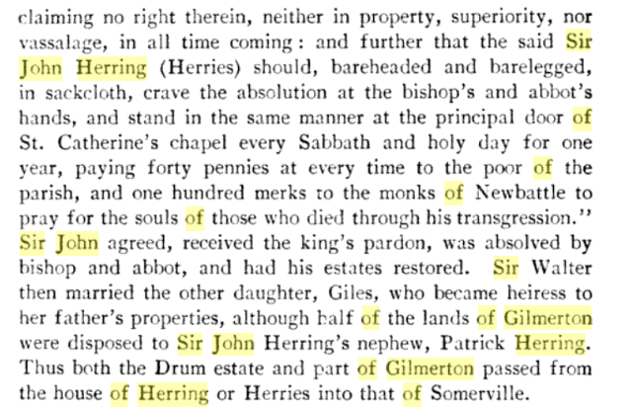

John Herring |  |  |  |  |  |  |  | https://www.geni.com/people/John-Herring/6000000135030630855
Also Known As: | "John III Herring", "John Herring", "John Herring Jr."
Birthdate: | circa 1777
Birthplace: | Sampson, North Carolina, United States
Death: | after 1860
 | Barbour, Alabama, United States
Immediate Family: | Husband of Nancy Ann Strickland Peacock
 | Father of William Herring; Sheppard Herring; Stephen William Herring; Elizabeth Herring; Duncan Herring and 4 others

Elijah Herring |  |  |  |  |  |  |  | https://www.geni.com/people/Elijah-Herring/6000000135030243938
Also Known As: | "Eli Herring", "Elijah L. Herring", "Eli Shorter Herring" |  |  |  | married | Eliza Ann Kent | 1843-1925
Birthdate: | 1826
Birthplace: | New Hanover, North Carolina, United States
Death: | 1892 (65-66)
 | Butler, Alabama, United States
Place of Burial: | Pleasant Home Cemetery, Butler, Alabama, United States
Immediate Family: | Son of John Herring and Nancy Ann Strickland Peacock
 | Brother of William Herring; Sheppard Herring; Stephen William Herring; Elizabeth Herring; Duncan Herring and 3 others

John David Herring |  |  |  |  |  |  |  | https://www.familysearch.org/tree/person/details/LCRV-YP4
1861–1946 • LCRV-YP4​​
Marriage: 11 August 1881
Mary Julia Cole
1862–1932 • LWWV-J61

